instructions
General Instructions
Standard Review Comments | Standard review comments are provided for each checklist item to promote consistent feedback between reviewers for common issues. Please review the collection of standard comments (summarized in the standard review comments tab) before using this checklist for the first time. | After selecting a standard response from the drop-down in Column H of the PBLR checklist tab, the reviewer may copy the standard text from the formula bar in Excel into the Bluebeam session ─ and then edit the text in Bluebeam as needed for specificity.
Drainage Report | HDM Ch. 3 Sect. 5: A drainage report is required for any bridge replacement or rehabilitation project, or any roadway reconstruction project impacting a FEMA special flood hazard area (SFHA). HDM Ch. 3 Sect. 5 applies to span bridges and bridge-class culverts. Drainage reports are only REQUIRED for projects in a FEMA SFHA; they are created at district discretion for all other circumstances, ideally with consideration for level of complexity. | A PBLR may be conducted before the associated drainage report has been completed. • The district must provide enough information for the DES-HYD reviewer to verify methods and data. If additional information is needed to complete a review, the DES-HYD reviewer will request that information specifically. • The H&H reviewer will not hold up PBLR approval solely because a drainage report has not yet been completed - we will accept District confirmation that a report will be developed later in the design process.

H&H Models | PBLRs do not include a detailed review of hydrology and hydraulics (H&H) models within the native digital format. Distrits may request detailed H&H model reviews, on a case-by-case basis, by contacting the Hydrology & Hydraulics Section in Design Division.
Impact Analyses | To comply with Texas Water Code, Sect. 11.086, the designer must assure that proposed conditions will not create a significant adverse impact which could damage another property (this is outlined in HDM Ch. 2, Sect. 2). A significant adverse impact is one that creates material damage requiring mitigation. For relatively simple, lower-risk designs (e.g., if there are no significant increases in water surface elevation or velocity for proposed conditions), the profile output table may provide enough detail to fully document the requisite impact analysis. For more complex projects, and in higher-risk areas, the impact analysis should be more thorough and carefully documented – typically with a section in the drainage report or a tech memo. The potential for significant adverse impacts should be evaluated for all standard frequencies up to the 100-yr event (i.e., return periods of 2, 5, 10, 25, 50, and 100 years). In general, any rise outside the right of way should not exceed one foot. Additional guidance is provided in HDM Ch. 5, Sect. 6. The H&H reviewer will not hold up PBLR approval solely because an impact analysis has not yet been completed - we will accept District confirmation that the impact analysis will be completed and documented later in the design process.
Bridge Scour and Countermeasures | DES-HYD reviewers should avoid providing PBLR review comments about scour analyses, scour documentation, riprap, and other scour countermeasures. However, it is within DES-HYD purview to comment on fluvial geomorphology. | Bridge Division’s Geotechnical Branch (BRG-GEO) is TxDOT's office of primary responsibility (OPR) for bridge scour; instead of commenting directly in the Bluebeam session, the DES-HYD reviewer should share any bridge scour concerns with the BRG-GEO reviewer or the BRG PM.
NON-PBLR Review Comments | The purpose of a PBLR is to verify, at approximately 30% to 60% PS&E completion (before any major structural design work is done), that FHWA and TxDOT policies are being followed. In some cases, the DES-HYD reviewer may need to alert the designer to a minor issue, even when it is clear that the appropriate policies are being followed. In such cases, the comment should begin with “Non-PBLR.” Non-PBLR comments are provided for the benefit of the district and are not intended to delay PBLR approval. DES-HYD reviewers should avoid making PBLR comments or non-PBLR comments that are editorial or cosmetic in nature.
Discipline-Specific Comments | Each PBLR is reviewed by subject matter experts from six (or more) technical discipline areas: • Bridge Design Section (BRG-DES) • Bridge Management Section (BRG-BMS) • Construction and Maintenance Branch (BRG-CM) • Geotechnical Branch (BRG-GEO) • Hydrology & Hydraulics Section (DES-HYD) • Project Delivery Section (DES-PDS) • Others as required DES-HYD reviewers should only comment on issues within the H&H discipline area (i.e., we should stay in our own lane). Why? Because when the district responds to a PBLR comment, it is the comment author who will evaluate the district response and provide further guidance. Thus, for any comment, it is important for the comment author to represent the discipline area under consideration. When a DES-HYD reviewer has a concern related to another discipline area, he or she may coordinate directly with the reviewer for the other discipline area.
Standard Bridge-Modeling Cross Sections
 | A hydraulic model with only four cross sections is not adequate. This figure is not depicting an entire hydraulic model; it is illustrating which cross sections are used to compute energy losses through a bridge.
 | This figure is included to help DES-HYD reviewers identify the cross section locations from which bridge and culvert hydraulic data should be obtained. In the checklist, for items to which this applies, the last column (additional guidance for the reviewer) explains which cross section should be used to obtain data for headwater elevation, flow, and velocity.

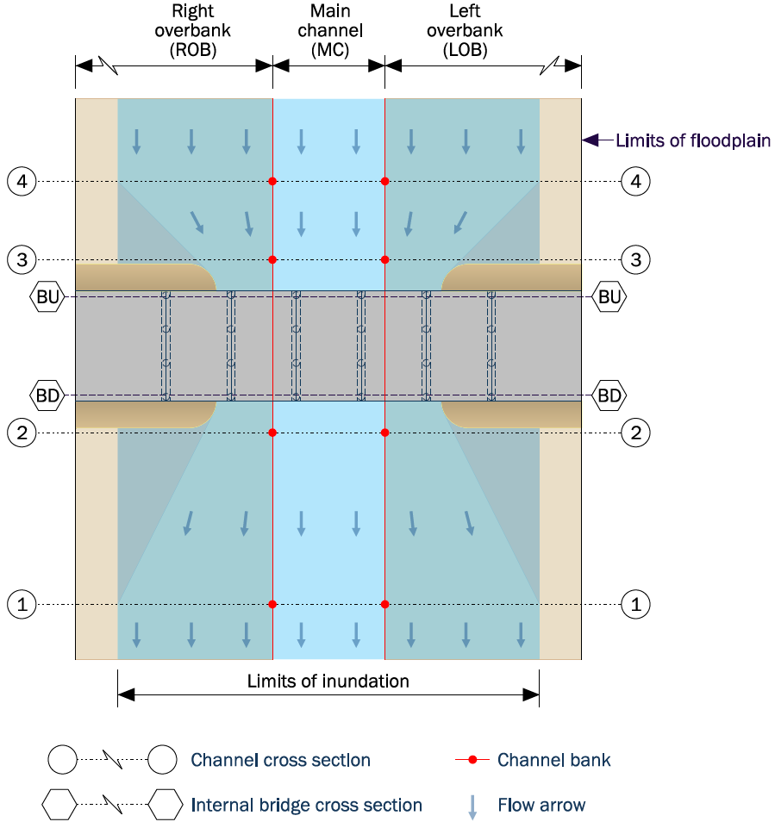
 |  |  | Cross Section 4
 |  |  | Just upstream of the contraction zone upstream of the bridge

 |  |  | Cross Section 3
 |  |  | Just upstream of the bridge embankment and roadside ditch

 |  |  | Cross Section BU
 |  |  | Upstream face of bridge; this is an internal bridge cross section

 |  |  | Cross Section BD
 |  |  | Downstream face of bridge; this is an internal bridge cross section

 |  |  | Cross Section 2
 |  |  | Just downstream of the bridge embankment and roadside ditch

 |  |  | Cross Section 1
 |  |  | Just downstream of the expansion zone downstream of the bridge

